Sheet1
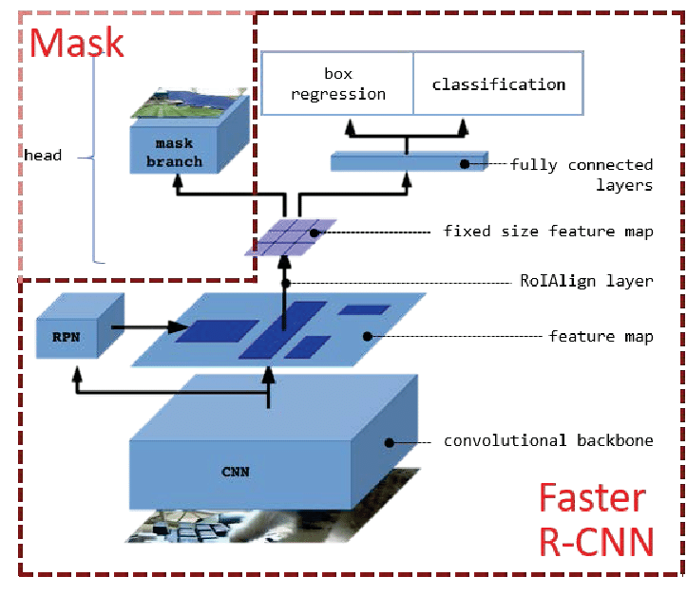
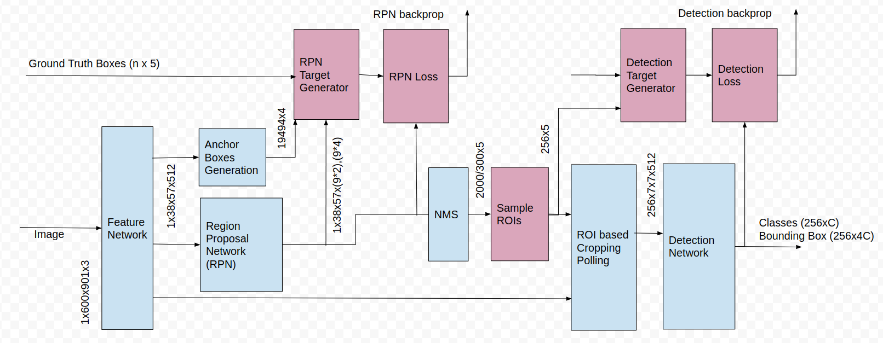
maskrcnn_resnet50_fpn
 |  | Arguments:
 |  |  | pretrained | If True, returns a model pre-trained on COCO train2017
 |  |  |  | if False, use pretrained_backbone parameter

 |  |  | progress | If True, displays a progress bar of the download to stderr

 |  |  | pretrained_backbone (bool): | If True, returns a model with backbone pre-trained on Imagenet
 |  |  |  | if False, train model tu dau

 |  |  | num_classes | number of output classes of the model (including the background)

 |  |  | trainable_backbone_layers | number of trainable (not frozen) resnet layers starting from final block. |  | value form 0 - 5
 |  |  |  | Valid values are between 0 and 5, with 5 meaning all backbone layers are trainable.

 |  |  | backbone = resnet_fpn_backbone('resnet50', pretrained_backbone, trainable_layers=trainable_backbone_layers) |  | with maskrcnn backbone = resnet50
 |  |  | model = MaskRCNN(backbone, num_classes, **kwargs) |  |  |  |  |  |  | NMS (Non-maximum suppresstion): Với các vùng RoI (Region of Interest Pooling) thu được sau RPN sẽ bị overlap lên nhau khá nhiều nên cần 1 cơ chế để filter-out các vùng đó. 1 phương pháp được đề xuất là NMS (Non-maximum suppresstion).

MaskRCNN
 |  | Arguments: |  |  |  |  |  |  | config in maskrcnn_resnet50_fpn pytorch
 |  |  | CNN network: backbone |  |  |  | ban chat la mang cnn, chuc nang tao feature map trong mask rcnn
 | x |  | backbone (nn.Module): | the network used to compute the features for the model. |  |  | neu cho config thi investigate xem app suport them nhung mang nao nua |  | resnet50, mobilenet_v2 ….

 | x |  | num_classes (int): | number of output classes of the model (including the background). |  |  |  |  | None
 |  |  |  | If box_predictor is specified, num_classes should be None.

 |  |  | normalization dataset
 |  |  | min_size | minimum size of the image to be rescaled before feeding it to the backbone |  |  | min size of data set | de default | 800

 |  |  | max_size | maximum size of the image to be rescaled before feeding it to the backbone |  |  | max size of data set |  | 1333

 |  |  | image_mean (Tuple[float, float, float]): | mean values used for input normalization. |  |  | mean value for normalization |  | None
 |  |  |  | They are generally the mean values of the dataset on which the backbone has been trained |  |  | -> ko biet tap data da trained cho backbone nen de default

 |  |  | image_std (Tuple[float, float, float]): | std values used for input normalization. |  |  | std value for normalization |  | None
 |  |  |  | They are generally the std values of the dataset on which the backbone has been trained on |  |  | -> ko biet tap data da trained cho backbone nen de default

 |  |  | # RPN parameters |  |  |  | Region Proposal Network(RPN).
 |  |  |  |  |  |  | Mạng CNN để đề xuất các vùng và loại đối tượng cần xem xét trong vùng.

 | x |  | rpn_anchor_generator(AnchorGenerator) | module that generates the anchors for a set of feature maps. |  |  | anchor_generator = AnchorGenerator(sizes=((32, 64, 128, 256, 512),), aspect_ratios=((0.5, 1.0, 2.0),)) |  | None

 |  |  | rpn_head (nn.Module): | module that computes the objectness and regression deltas from the RPN |  |  |  |  | None

 | x |  | rpn_pre_nms_top_n_train (int): | number of proposals to keep before applying NMS during training |  |  |  |  | 2000

 |  |  | rpn_pre_nms_top_n_test (int): | number of proposals to keep before applying NMS during testing |  |  |  |  | 1000

 | x |  | rpn_post_nms_top_n_train (int): | number of proposals to keep after applying NMS during training |  |  |  |  | 2000

 |  |  | rpn_post_nms_top_n_test (int): | number of proposals to keep after applying NMS during testing |  |  |  |  | 1000

 |  |  | rpn_nms_thresh (float): | NMS threshold used for postprocessing the RPN proposals |  |  |  |  | 0.7

 | x |  | rpn_fg_iou_thresh (float): | minimum IoU between the anchor and the GT box so that they can be considered as positive during training of the RPN. |  |  |  |  | 0.7

 | x |  | rpn_bg_iou_thresh (float): | maximum IoU between the anchor and the GT box so that they can be considered as negative during training of the RPN. |  |  |  |  | 0.3

 | x |  | rpn_batch_size_per_image (int): | number of anchors that are sampled during training of the RPN for computing the loss |  |  |  |  | 256

 |  |  | rpn_positive_fraction (float): | proportion of positive anchors in a mini-batch during training of the RPN |  |  |  |  | 0.5

 |  |  | # Box parameters
 |  |  | box_roi_pool (MultiScaleRoIAlign): | the module which crops and resizes the feature maps in the locations indicated by the bounding boxes |  |  | roi_pooler = torchvision.ops.MultiScaleRoIAlign(featmap_names=['0'], output_size=7, sampling_ratio=2) |  | None

 |  |  | box_head (nn.Module): | module that takes the cropped feature maps as input |  |  |  |  | None

 |  |  | box_predictor (nn.Module): | module that takes the output of box_head and returns the classification logits and box regression deltas. |  |  |  |  | None

 |  |  | box_score_thresh (float): | during inference, only return proposals with a classification score greater than box_score_thresh |  |  |  |  | 0.05

 |  |  | box_nms_thresh (float): | NMS threshold for the prediction head. Used during inference |  |  |  |  | 0.5

 | x |  | box_detections_per_img (int): | maximum number of detections per image, for all classes. |  |  |  |  | 100

 | x |  | box_fg_iou_thresh (float): | minimum IoU between the proposals and the GT box so that they can be |  |  |  |  | 0.5
 |  |  |  | considered as positive during training of the classification head

 | x |  | box_bg_iou_thresh (float): | maximum IoU between the proposals and the GT box so that they can be |  |  |  |  | 0.5
 |  |  |  | considered as negative during training of the classification head

 | x |  | box_batch_size_per_image (int) | number of proposals that are sampled during training of the classification head |  |  |  |  | 512

 | x |  | box_positive_fraction (float): | proportion of positive proposals in a mini-batch during training of the classification head |  |  |  |  | 0.25

 |  |  | bbox_reg_weights (Tuple[float, float, float, float]): | weights for the encoding/decoding of the bounding boxes |  |  |  |  | None

 |  |  | # Mask parameters
 |  |  | mask_roi_pool (MultiScaleRoIAlign): | the module which crops and resizes the feature maps in |  |  | mask_roi_pooler = torchvision.ops.MultiScaleRoIAlign(featmap_names=['0'], output_size=14, sampling_ratio=2) |  | None
 |  |  |  | the locations indicated by the bounding boxes, which will be used for the mask head.

 |  |  | mask_head (nn.Module): | module that takes the cropped feature maps as input |  |  |  |  | None

 |  |  | mask_predictor (nn.Module): | module that takes the output of the mask_head and returns the segmentation mask logits |  |  |  |  | None

